Sheet1
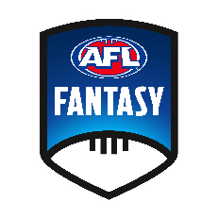
PICK ONE FROM EACH CLUB
Select one player from each club to make a team of 18 Fantasy players
Must include 5 defenders, 7 midfielders, 1 ruck, 5 forwards

 |  | DEF (5) | MID (7) | RUC (1) | FWD (5)
 | Adelaide
 | Brisbane
 | Carlton
 | Collingwood
 | Essendon
 | Fremantle
 | Geelong
 | Gold Coast
 | GWS Giants
 | Hawthorn
 | Melbourne
 | North Melbourne
 | Port Adelaide
 | Richmond
 | St Kilda
 | Sydney Swans
 | West Coast
 | Western Bulldogs

